To Do
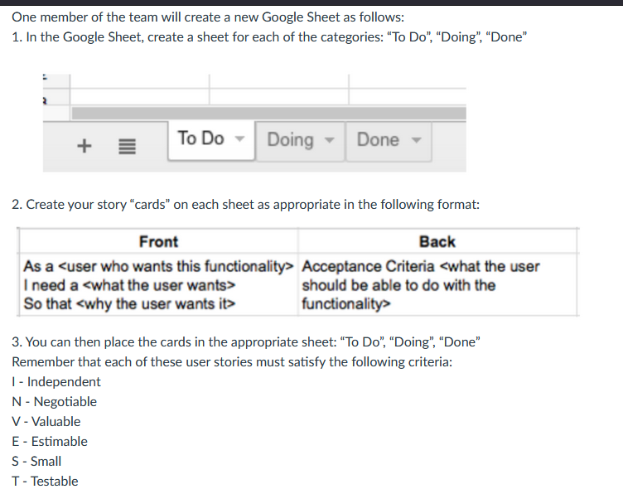
Front | Back | Sprint Number
As a user who works out with friends, I need to be able to add and remove friends from my network, so that I can compete with and keep accountable the specific group of friends I choose to work out with. | Acceptance criteria: The user should be able to smoothly find, add, remove, and re-add friends successfully without failure. | 3
Front | Back | Sprint Number
As a user, I need to be able to create and join groups with my friends, so that we can participate in weekly challenges together, keep each other accountable, and compete to reach our shared fitness goals. | Acceptance criteria: The user should be able to create and delete groups, invite friends from their connections, accept invitations to join groups, compete in weekly challenges, and view active groups they have joined or created, where the groups remain accessible until the user leaves or the owner removes the group. | 3
Front | Back | Sprint Number
As a user, I need to be able to track my calorie intake and calories lost, so that I can ensure I am meeting my calorie goals | Acceptance criteria: The user should be able to input what they ate that day, log exercise, view the total calories they've had, and that information is saved | 4
Front | Back | Sprint Number
As a user, I need to be able to track my weight, So that I can ensure I am gaining/losing weight at a consistent rate | Acceptance criteria: The user should be able to input their weight, have it saved, and viewable to the user | 3
Front | Back | Sprint Number
As a user, I need to be able to get points from challenges as well as through keeping up with my goals, So that my friends and I can remain accountable and compete, making fitness more fun. | Acceptance criteria: The user should be able to collect points from completeing goals/challenges that will increase their point counts in all of the groups that they are a part of. | 4
Front | Back | Sprint Number
As a user, I need to be able to view how many points my friends have, So that I can be competitive with my friends to motivate myself to burn calories | Acceptance criteria: The user should be able to access their friends information such as points and other information, this could be protected to only friends (you can only view points if you have the person added as a friend) | 4
Front | Back | Sprint Number
As a user, I need to be able to create goals, So that I can motivate myself to burn calories | Acceptance criteria: The user can have a place where they can create goals, make these entertaining enough to help them keep track of goals | 5

